Retreat Reflections
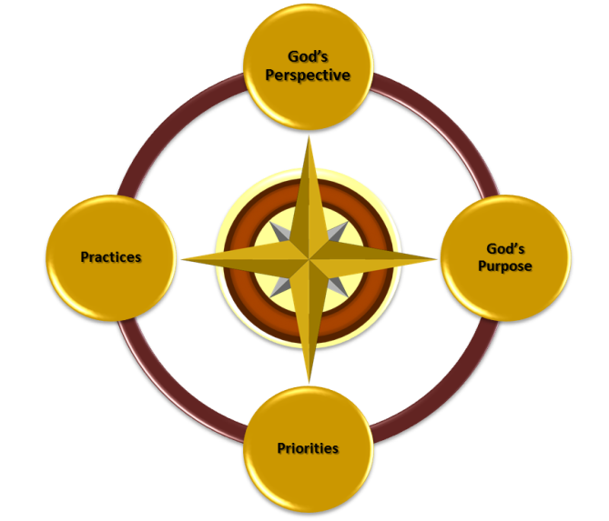
 | LIFE PLAN

Building a Balanced Life Audio

Reflections on DiSC Style
Key Thoughts:

Motivators
Stressors
Behaviors

Areas to Address

Exploring Life Experiences
Key Experiences, Influences, Accomplishments :

Talents
Skills
Capabilities
Strengths
Growth Areas
Friend Insights

Core Values
Core Values:
Value 1:
Value 2:
Value 3:
Value 4:
Value 5:

Top Qualities:
Quality 1:
Quality 2:
Quality 3:
Influence / Impacts on Life Choices

Exploring Your Passions
Core Passion:

Places:

Energizing Activities

Draining Activities

Favorite Free Time Activities

Service Activities for Others

Current Life Purpose Being Fulfilled:

Describe Time Stepped Out in Faith - Went Well

If no obstacles (time, finances, resources, circumstances), What life path would you take?

Does God's will align with your current path?

How do I see God at work to align me to His will?

Life Purpose
How do you envision your life purpose? (look a few years out)

How do you think God envisions your life purpose?

Key Scriptures - Life Purpose

I know the purpose of my life is to...

How is God involved in my core passion?

What would you like your legacy to be?

What will your impact be on the lives of others for God's Kingdom?

How would you describe the path or journey to attain this legacy?

Living a Christ-Centered Life
Areas in Need of Attention

Accountability

Steps Towards A Christ Centered Life

Desired Outcomes - Looking Ahead
Faith Journey

Priorities Journey

Health Journey

Marriage/Parenting OR Single-Living Journey

Key Relationships with Others Journey

Finances - Journey

Service and Leadership Journey

Coaching Relationship
My Role:

My Coach's Role

Describe a Vibrant Relationship between me and my coach

Most Important Area for Making Improvements

Circumstances that are Limiting My Ability to Achieve Full Potential

Life Plan
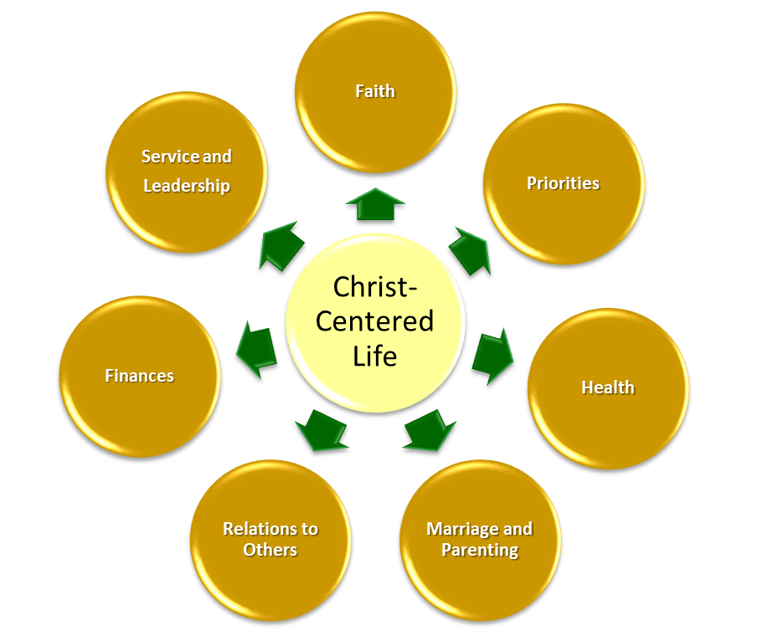
 | LIFE PLAN

Personal Vision, Mission or Purpose Statement
In this box…type your statement on personal mission, vision or calling. This statement drives the development of Life Accounts below. This statement may take time to develop. Feel free to continue to refine it as you work through the accounts below.

Faith Account
Vision:

Key Scripture:

Faith Steps:

Priorities Account
Vision:

Key Scripture:

Faith Steps:

Health Account
Vision:

Key Scripture:

Faith Steps:

Marriage or Single Living Account
Vision:

Key Scripture:

Faith Steps:

Family Account
Vision:

Key Scripture:

Faith Steps:

Key Relationships with others Account
Vision:

Key Scripture:

Faith Steps:

Finance Account
Vision:

Key Scripture:

Faith Steps:

Service and Leadership Account
Vision:

Key Scripture:

Faith Steps:

Sample Account Name
Vision:

Key Scripture:

Faith Steps:

Vision:

Key Scripture:

Faith Steps:

